READ ME
 | Operational Issue & Completion Tracking System
Purpose: Centralized tracking of work orders, inspection stages, and defects with automated status logic, summaries, and dashboards
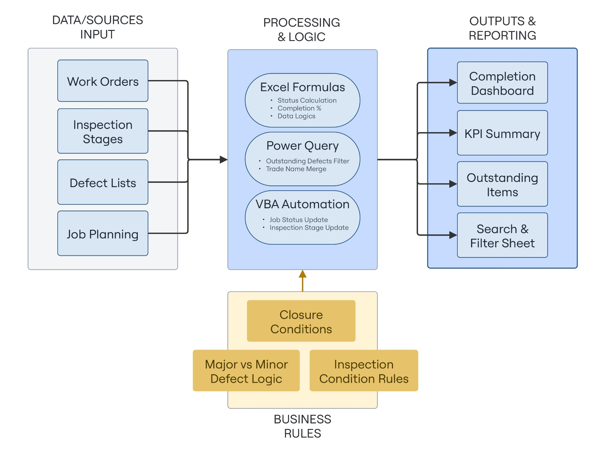

 |  | How To Use The File
 |  | 1. Update Maintenance Job (MJ) / Work Orders (WO) Inspection / Defect data in input sheets
 |  | 2. Power Query consolidates and refreshes outstanding defect logic
 |  | 3. VBA buttons update MJ and WO inspection statuses
 |  | 4. Review Dashboard, KPI Summary, and Holding Point Items

 |  | Key Automation & Logic
 |  | - Status calculations via nested formulas (IFS, LET, LOOKUP)
 |  | - Automated defect consolidation using Power Query
 |  | - Business rules applied consistently across inspections
 |  | - VBA-driven job and inspection stage updates are button-triggered to prevent unintended data changes

 |  | Business Rules Summary
 |  | 1. Major defects block closure (except for special cases)
 |  | 2. Inspection completion required before job closure
 |  | 3. Status is system-generated; manual overrides discouraged unless proven necessary

 |  | File Change Log
 |  | Date | Change | By
 |  | 1-Feb-26 | Initial System Build | Muhammad Ariff Nadzaruddin Bin Mohamad Hamid

